Table 1

Selected Acquisition Report (SAR)
RCS: DD-A&T(Q&A)823-421

Airborne & Maritime/Fixed Station Joint Tactical Radio System (AMF JTRS)
As of FY 2017 President's Budget
Defense Acquisition Management Information Retrieval
(DAMIR)

Table 27
Unit Cost History
Item |  |  |  |  | Date |  |  | BY 2008 $M |  |  |  |  | TY $M
 |  |  |  |  |  |  |  | PAUC |  | APUC |  |  | PAUC |  |  | APUC

Original APB |  |  | Oct 2008 |  |  |  |  | 0.284 |  |  | 0.219 |  |  | 0.332 |  |  | 0.264
APB as of January 2006 |  |  | N/A |  |  |  |  | N/A |  |  | N/A |  |  | N/A |  |  | N/A
Revised Original APB |  |  | N/A |  |  |  |  | N/A |  |  | N/A |  |  | N/A |  |  | N/A
Prior APB |  |  | Oct 2008 |  |  |  |  | 0.284 |  |  | 0.219 |  |  | 0.332 |  |  | 0.264
Current APB |  |  | May 2014 |  |  |  |  | 0.185 |  |  | 0.099 |  |  | 0.237 |  |  | 0.149
Prior Annual SAR |  |  | Dec 2014 |  |  |  |  | 0.196 |  |  | 0.103 |  |  | 0.238 |  |  | 0.142
Current Estimate |  |  | Dec 2015 |  |  |  |  | 0.204 |  |  | 0.103 |  |  | 0.246 |  |  | 0.142
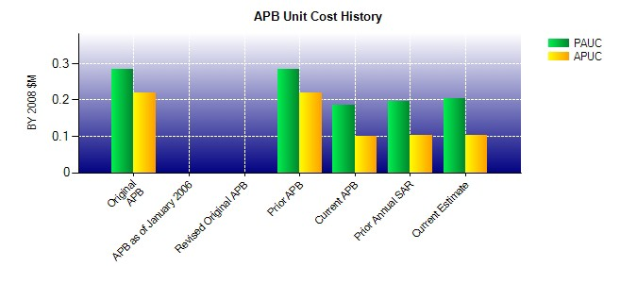
SAR Unit Cost History
Current SAR Baseline to Current Estimate (TY $M)
Initial PAUC Development Estimate | Changes |  |  |  |  |  |  |  |  |  |  |  |  |  | PAUC Current Estimate
 | Econ | Qty |  | Sch |  | Eng | Est |  | Oth | Spt |  | Total
0.332 -0.005 0.066 0.013 0.001 -0.185 0.000 0.024 -0.086 0.246
Current SAR Baseline to Current Estimate (TY $M)
Initial APUC Development Estimate | Changes |  |  |  |  |  |  |  |  |  |  |  |  |  | APUC Current Estimate
 | Econ | Qty |  | Sch |  | Eng | Est |  | Oth | Spt |  | Total
0.264 -0.004 0.016 0.023 0.000 -0.182 0.000 0.025 -0.122 0.142

